CONFIG
How to SSH using putty.exe

1. Download putty
https://www.chiark.greenend.org.uk/~sgtatham/putty/latest.html
64-bit x86:
https://the.earth.li/~sgtatham/putty/latest/w64/putty.exe

2. putty Configration
execute putty.exe

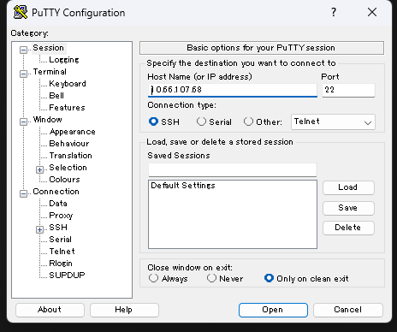

 |  |  | Host Name |  | 10.66.107.68

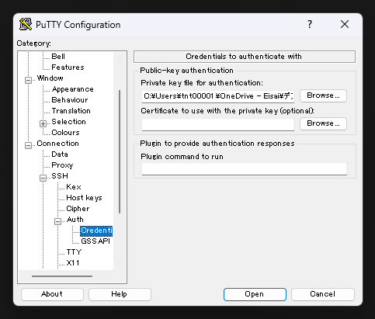

 |  |  | Private-key authenticatoin
 |  |  | Private key file
 |  |  | Input the [axt-h2-dev2.ppk] file path

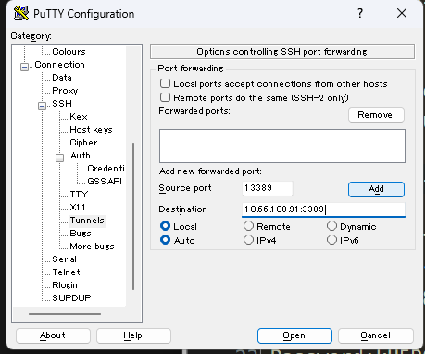

 |  | 1 | source port |  | 13389
 |  |  | destination |  | 10.66.108.91:3389
 |  |  | add button

 |  | 2 | source port |  | 23389
 |  |  | destination |  | 10.66.108.248:3389
 |  |  | add button

 |  | 3 | source port |  | 33389
 |  |  | destination |  | 10.66.108.225:3389
 |  |  | add button

 |  | 4 | source port |  | 43389
 |  |  | destination |  | 10.66.108.224:3389
 |  |  | add button

 |  | 5 | source port |  | 53389
 |  |  | destination |  | 10.66.108.157:3389
 |  |  | add button
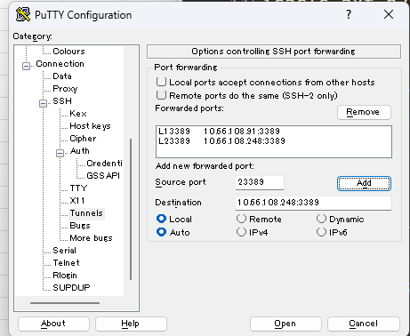
 |  | 6 | source port |  | 63389
 |  |  | destination |  | 10.66.108.48:3389
 |  |  | add button

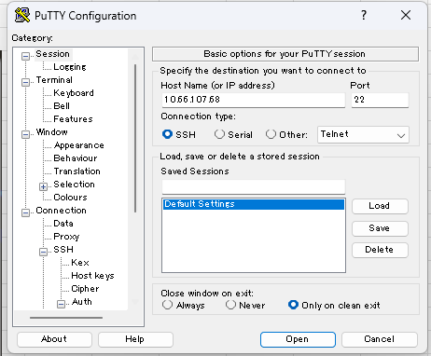

 |  |  | Select [Default Settions]
 |  |  | Push [Save] Button

 |  |  | Open

 |  |  | Login as: |  | axtria
 |  |  | Passphrase: |  | axtria0410

Execute Remote Desktop Tool
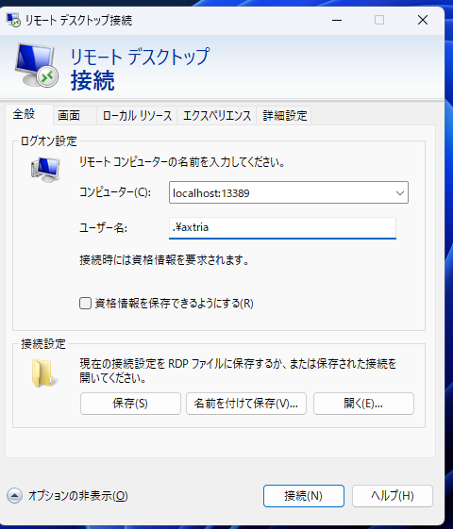

 | hanro2 dmx1 - server |  |  | ECLS3353-like server
 |  | host | localhost:13389
 |  | user | .\axtria
 |  | password | *

 | hanro2 dmx2 - server |  |  | ECLS3354-like server
 |  | host | localhost:23389
 |  | user | .\axtria
 |  | password | *

 | hanro2 DB -server |  |  | ECLS1390-like server
 |  | host | localhost:33389
 |  | user | .\axtria
 |  | password | *

 | hanro2 Analysis-BST - server |  |  | ECLS1391-like server
 |  | host | localhost:43389
 |  | user | .\axtria
 |  | password | *

 | Sales-Master AP-server |  |  | ECLS6092-like server
 |  | host | localhost:53389
 |  | user | .\axtria
 |  | password | *

 | Sales-Master DB - server |  |  | ECLS6093-like server
 |  | host | localhost:63389
 |  | user | .\axtria
To reduce costs, this server is automatically stopped at 00:00 (midnight) India Standard Time. |  | password | *
When you need to use it, please start the server before use.

Before useing:
In the SSH (PuTTY) console, run:
(hanro2 servers)
/usr/local/bin/hanro2-start.sh

(sales master servers)
/usr/local/bin/sims-start.sh

